Kinematics Overview
FORWARD KINEMATICS |  |  |  |  |  |  |  |  |  |  |  |  |  |  |  |  | INVERSE KINEMATICS

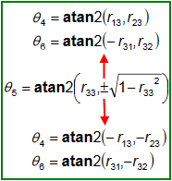
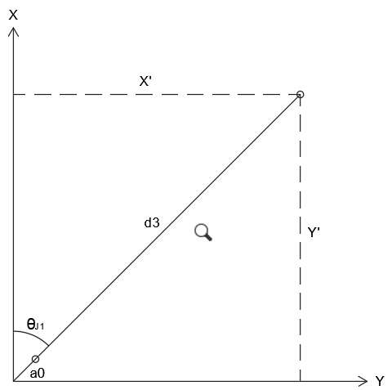
WIRST
POSITION

INPUTS |  |  |  |  |  |  |  | DH PARAMETER |  |  |  |  |  | OUTPUTS |  |  | INPUTS |  |  |  | OUTPUTS
JOINTS | Angles |  |  | Toolframe |  |  |  | JOINTS | Θ | α | d | a |  | PARAMETERS | Value | Radians | PARAMETERS | Value | Radians |  | JOINTS | Angles
 | Limit | Degrees | Radians | Param | Value | Radians |  |  |  |  |  |  |  |  |  |  |  |  |  |  |  | Degrees | Radians
J1 | (-170 / 170) | 0.000 | 0.000 | Xpos | 0.000 | - |  | 1 | 0.000 | -1.571 | 191.000 | 23.500 |  | Xpos | 598.500 | - | Xpos | 598.500 | - |  | J1 | 0.000 | 0.000
J2 | (-60 / 90) | 0.000 | 0.000 | Ypos | 0.000 |  |  | 2 | -1.571 | 0.000 | 0.000 | 650.000 |  | Ypos | 0.000 |  | Ypos | 0.000 |  |  | J2 | 0.000 | 0.000
J3 | (-90 / 60) | 0.000 | 0.000 | Zpos | 0.000 |  |  | 3 | 3.142 | 1.571 | 0.000 | 0.000 |  | Zpos | 776.000 |  | Zpos | 776.000 |  |  | J3 | 0.000 | 0.000
J4 | (-165 / 165) | 0.000 | 0.000 | Rz | 0.000 | 0.000 |  | 4 | 0.000 | -1.571 | 575.000 | 0.000 |  | Rz | 180.000 | 3.142 | Rz | 180.000 | 3.142 |  | J4 | 0.000 | 0.000
J5 | (-105 / 105) | 90.000 | 1.571 | Ry | 0.000 | 0.000 |  | 5 | 1.571 | 1.571 | 0.000 | 0.000 |  | Ry | 0.000 | 0.000 | Ry | 0.000 | 0.000 |  | J5 | 90.000 | 1.571
J6 | (-155 / 155) | 0.000 | 0.000 | Rx | 0.000 | 0.000 |  | 6 | 0.000 | 0.000 | 65.000 | 0.000 |  | Rx | 180.000 | 3.142 | Rx | 180.000 | 3.142 |  | J6 | 0.000 | 0.000

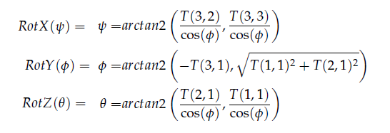
 | SETUP |  |  |  |  | 1st |  |  |  |  | 2nd |  |  |  |  |  |  | 1st |  |  |  |  | 2nd |  |  |  | 3rd
BASE TRANSFORMATION MATRIX |  |  |  |  | J1 TRANSFORMATION MATRIX |  |  |  |  | J2 TRANSFORMATION MATRIX |  |  |  |  |  |  | R0-6 TRANSFORMATION MATRIX REVERSE |  |  |  |  | TOOLFRAME TRANSFORMATION MATRIX |  |  |  | INVERT TOOLFRAME TRANSFORMATION MATRIX
1.000 | 0.000 | 0.000 | 0.000 |  | 1.000 | 0.000 | 0.000 | 23.500 |  | 0.000 | 1.000 | 0.000 | 0.000 |  |  |  | -1.000 | 0.000 | 0.000 | 598.500 |  | 1.000 | 0.000 | 0.000 | 0.000 | 1.000 | 0.000 | 0.000 | 0.000
0.000 | 1.000 | 0.000 | 0.000 |  | 0.000 | 0.000 | 1.000 | 0.000 |  | -1.000 | 0.000 | 0.000 | -650.000 |  |  |  | 0.000 | 1.000 | 0.000 | 0.000 |  | 0.000 | 1.000 | 0.000 | 0.000 | 0.000 | 1.000 | 0.000 | 0.000
0.000 | 0.000 | 1.000 | 0.000 |  | 0.000 | -1.000 | 0.000 | 191.000 |  | 0.000 | 0.000 | 1.000 | 0.000 |  |  |  | 0.000 | 0.000 | -1.000 | 776.000 |  | 0.000 | 0.000 | 1.000 | 0.000 | 0.000 | 0.000 | 1.000 | 0.000
0.000 | 0.000 | 0.000 | 1.000 |  | 0.000 | 0.000 | 0.000 | 1.000 |  | 0.000 | 0.000 | 0.000 | 1.000 |  |  |  | 0.000 | 0.000 | 0.000 | 1.000 |  | 0.000 | 0.000 | 0.000 | 1.000 | 0.000 | 0.000 | 0.000 | 1.000

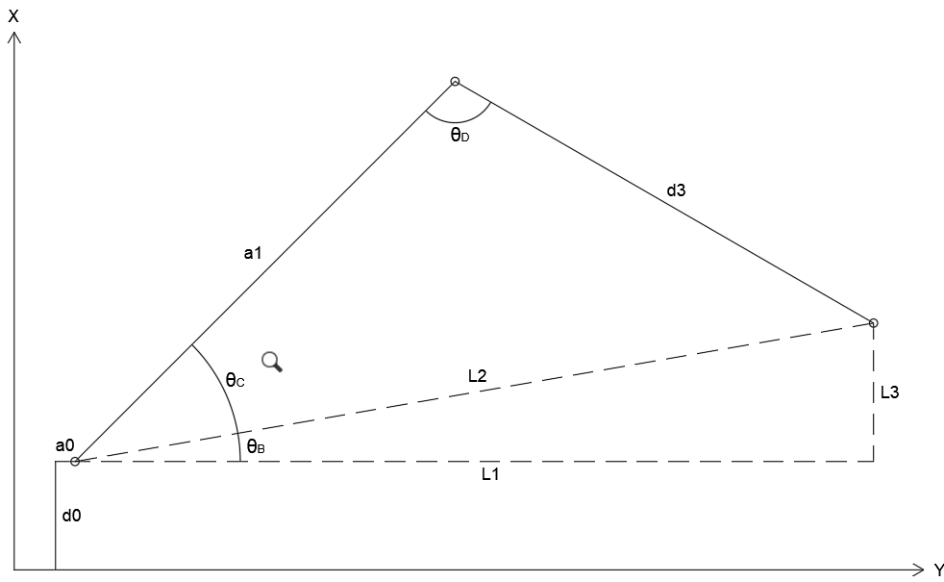
WIRST
POSITION

 | 3rd |  |  |  |  | 4th |  |  |  |  | 5th |  |  |  |  |  |  | 4th |  |  |  |  | 5th |  |  |  | 6th
J3 TRANSFORMATION MATRIX |  |  |  |  | J4 TRANSFORMATION MATRIX |  |  |  |  | J5 TRANSFORMATION MATRIX |  |  |  |  |  |  | R0-T TRANSFORMATION MATRIX REVERSE |  |  |  |  | R0-6 TRANSFORMATION MATRIX NEGATE |  |  |  | R0-5 TRANSFORMATION MATRIX REVERSE
-1.000 | 0.000 | 0.000 | 0.000 |  | 1.000 | 0.000 | 0.000 | 0.000 |  | 0.000 | 0.000 | 1.000 | 0.000 |  |  |  | -1.000 | 0.000 | 0.000 | 598.500 |  | 1.000 | 0.000 | 0.000 | 0.000 | -1.000 | 0.000 | 0.000 | 598.500
0.000 | 0.000 | 1.000 | 0.000 |  | 0.000 | 0.000 | 1.000 | 0.000 |  | 1.000 | 0.000 | 0.000 | 0.000 |  |  |  | 0.000 | 1.000 | 0.000 | 0.000 |  | 0.000 | 1.000 | 0.000 | 0.000 | 0.000 | 1.000 | 0.000 | 0.000
0.000 | 1.000 | 0.000 | 0.000 |  | 0.000 | -1.000 | 0.000 | 575.000 |  | 0.000 | 1.000 | 0.000 | 0.000 |  |  |  | 0.000 | 0.000 | -1.000 | 776.000 |  | 0.000 | 0.000 | 1.000 | -65.000 | 0.000 | 0.000 | -1.000 | 841.000
0.000 | 0.000 | 0.000 | 1.000 |  | 0.000 | 0.000 | 0.000 | 1.000 |  | 0.000 | 0.000 | 0.000 | 1.000 |  |  |  | 0.000 | 0.000 | 0.000 | 1.000 |  | 0.000 | 0.000 | 0.000 | 1.000 | 0.000 | 0.000 | 0.000 | 1.000

 | 6th |  |  |  |  | 7th |  |  |  |  | 8th |  |  |  |  |  |  | 7th |  |  |  |  | 8th |  |  |  | 9th
J6 TRANSFORMATION MATRIX |  |  |  |  | TOOLFRAME TRANSFORMATION MATRIX |  |  |  |  | T0-1 TRANSFORMATION MATRIX |  |  |  |  |  |  |  | CALCULATE J1 ANGLE |  |  |  |  | IK ANALYSIS |  |  | J1 TRANSFORMATION MATRIX
1.000 | 0.000 | 0.000 | 0.000 |  | 1.000 | 0.000 | 0.000 | 0.000 |  | 1.000 | 0.000 | 0.000 | 23.500 |  |  |  |  | J1 ∠ | 0.000 |  |  |  | L1 | 575 |  | 1.000 | 0.000 | 0.000 | 23.500
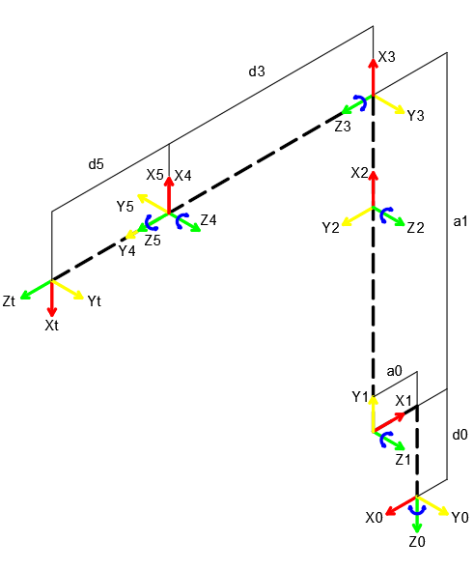
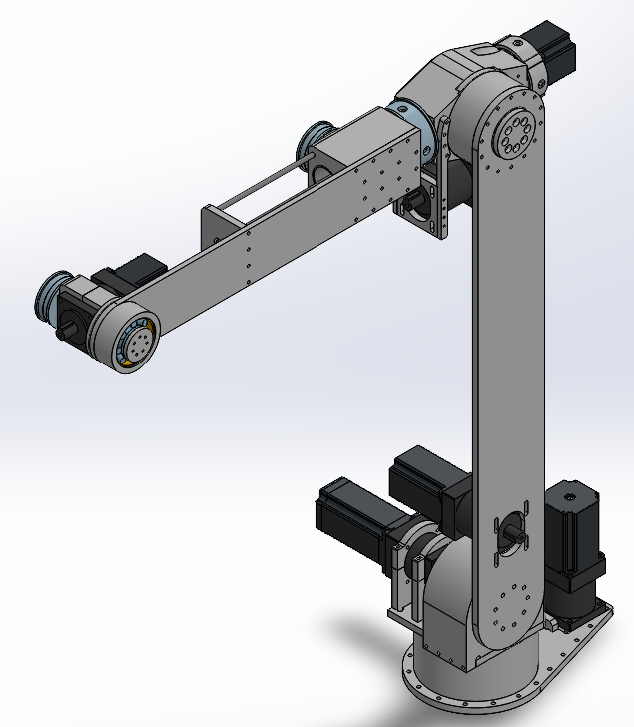
0.000 | 1.000 | 0.000 | 0.000 |  | 0.000 | 1.000 | 0.000 | 0.000 |  | 0.000 | 0.000 | 1.000 | 0.000 |  |  |  |  |  |  |  |  |  | L2 | 867.828 |  | 0.000 | 0.000 | 1.000 | 0.000
0.000 | 0.000 | 1.000 | 65.000 |  | 0.000 | 0.000 | 1.000 | 0.000 |  | 0.000 | -1.000 | 0.000 | 191.000 |  |  |  |  |  |  |  |  |  | L3 | 650.000 |  | 0.000 | -1.000 | 0.000 | 191.000
0.000 | 0.000 | 0.000 | 1.000 |  | 0.000 | 0.000 | 0.000 | 1.000 |  | 0.000 | 0.000 | 0.000 | 1.000 |  |  |  |  | 8th |  |  |  |  | d3 | 575.000 |  | 0.000 | 0.000 | 0.000 | 1.000
 |  |  |  |  |  |  |  |  |  |  |  |  |  |  |  |  |  | R0-5 @J1 ZERO |  |  |  |  | ΘB | 48.504
 |  |  |  |  |  |  |  |  |  |  |  |  |  |  |  |  |  | X | Y |  |  |  | ΘC | 41.496
 | 9th |  |  |  |  | 10th |  |  |  |  | 11th |  |  |  |  |  |  | 598.500 | 0.000 |  |  |  | ΘD | 90
T0-2 TRANSFORMATION MATRIX |  |  |  |  | T0-3 TRANSFORMATION MATRIX |  |  |  |  | T0-4 TRANSFORMATION MATRIX
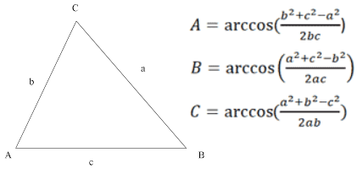
0.000 | 1.000 | 0.000 | 23.500 |  | 0.000 | 0.000 | 1.000 | 23.500 |  | 0.000 | -1.000 | 0.000 | 598.500
0.000 | 0.000 | 1.000 | 0.000 |  | 0.000 | 1.000 | 0.000 | 0.000 |  | 0.000 | 0.000 | 1.000 | 0.000 |  |  |  |  | 10th |  |  |  |  | 11th |  |  |  | 12th
1.000 | 0.000 | 0.000 | 841.000 |  | -1.000 | 0.000 | 0.000 | 841.000 |  | -1.000 | 0.000 | 0.000 | 841.000 |  |  |  | J2 TRANSFORMATION MATRIX |  |  |  |  | J3 TRANSFORMATION MATRIX |  |  |  | R0-2 MATRIX
0.000 | 0.000 | 0.000 | 1.000 |  | 0.000 | 0.000 | 0.000 | 1.000 |  | 0.000 | 0.000 | 0.000 | 1.000 |  |  |  | 0.000 | 1.000 | 0.000 | 0.000 |  | -1.000 | 0.000 | 0.000 | 0.000 | 0.000 | 1.000 | 0.000 | 23.500
 |  |  |  |  |  |  |  |  |  |  |  |  |  |  |  |  | -1.000 | 0.000 | 0.000 | -650.000 |  | 0.000 | 0.000 | 1.000 | 0.000 | 0.000 | 0.000 | 1.000 | 0.000
 |  |  |  |  |  |  |  |  |  |  |  |  |  |  |  |  | 0.000 | 0.000 | 1.000 | 0.000 |  | 0.000 | 1.000 | 0.000 | 0.000 | 1.000 | 0.000 | 0.000 | 841.000
 | 12th |  |  |  |  | 13th |  |  |  |  | 14th |  |  |  |  |  | 0.000 | 0.000 | 0.000 | 1.000 |  | 0.000 | 0.000 | 0.000 | 1.000 | 0.000 | 0.000 | 0.000 | 1.000
T0-5 TRANSFORMATION MATRIX |  |  |  |  | T0-6 TRANSFORMATION MATRIX |  |  |  |  | T0-E TRANSFORMATION MATRIX
-1.000 | 0.000 | 0.000 | 598.500 |  | -1.000 | 0.000 | 0.000 | 598.500 |  | -1.000 | 0.000 | 0.000 | 598.500
0.000 | 1.000 | 0.000 | 0.000 |  | 0.000 | 1.000 | 0.000 | 0.000 |  | 0.000 | 1.000 | 0.000 | 0.000 |  |  |  |  | 13th |  |  |  | 14th |  |  |  | 15th
0.000 | 0.000 | -1.000 | 841.000 |  | 0.000 | 0.000 | -1.000 | 776.000 |  | 0.000 | 0.000 | -1.000 | 776.000 |  |  |  | R0-3 MATRIX |  |  |  |  | R0-3 MATRIX TRANSPOSED |  |  |  | R3-6 WIRST ORIENTATION
0.000 | 0.000 | 0.000 | 1.000 |  | 0.000 | 0.000 | 0.000 | 1.000 |  | 0.000 | 0.000 | 0.000 | 1.000 |  |  |  | 0.000 | 0.000 | 1.000 | 23.500 |  | 0.000 | 0.000 | -1.000 | - | 0.000 | 0.000 | 1.000 | -
 |  |  |  |  |  |  |  |  |  |  |  |  |  |  |  |  | 0.000 | 1.000 | 0.000 | 0.000 |  | 0.000 | 1.000 | 0.000 | - | 0.000 | 1.000 | 0.000 | -
 |  |  |  |  |  |  |  |  |  |  |  |  |  |  |  |  | -1.000 | 0.000 | 0.000 | 841.000 |  | 1.000 | 0.000 | 0.000 | - | -1.000 | 0.000 | 0.000 | -
 |  |  |  |  |  |  |  |  |  |  |  |  |  |  |  |  | 0.000 | 0.000 | 0.000 | 1.000 |  | - | - | - | - | - | - | - | -

SINGULARITY AVOIDANCE |  |  |  |  |  |  |  |  |  |  |  |  |  |  |  |  | ANGLE AND POSITION LIMITATION

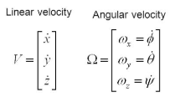
JOINTS Z-AXES |  |  |  |  | JACOBIANS VALUE |  |  |  |  | JACOBIAN MATRIX
T0-1 | 0.000 | T0-4 | 0.000 |  | Joints | PE-Pi | Linear Vel. | Angular Vel. |  | 585.000 | -65.000 | 0.000 | -65.000 | 0.000 | 0.000
 | 1.000 |  | 1.000 |  | J1 | 575.000 | 585.000 | 0.000 |  | 0.000 | 0.000 | 65.000 | 0.000 | 0.000 | 0.000
 | 0.000 |  | 0.000 |  |  | 0.000 | 0.000 | 1.000 |  | -575.000 | -575.000 | 0.000 | 0.000 | 0.000 | 0.000
T0-2 | 0.000 | T0-5 | 0.000 |  |  | 585.000 | -575.000 | 0.000 |  | 0.000 | 0.000 | 1.000 | 0.000 | 0.000 | 0.000
 | 1.000 |  | 0.000 |  | J2 | 575.000 | -65.000 | 0.000 |  | 1.000 | 1.000 | 0.000 | 1.000 | 0.000 | 0.000
 | 0.000 |  | -1.000 |  |  | 0.000 | 0.000 | 1.000 |  | 0.000 | 0.000 | 0.000 | 0.000 | -1.000 | -1.000
T0-3 | 1.000 | T0-6 | 0.000 |  |  | -65.000 | -575.000 | 0.000
 | 0.000 |  | 0.000 |  | J3 | 575.000 | 0.000 | 1.000
 | 0.000 |  | -1.000 |  |  | 0.000 | 65.000 | 0.000 |  |  |  | JACOBIAN STATE
 |  |  |  |  |  | -65.000 | 0.000 | 0.000 |  |  |  | N | -3e-09
 |  |  |  |  | J4 | 0.000 | -65.000 | 0.000
JOINTS ORIGIN POSITION |  |  |  |  |  | 0.000 | 0.000 | 1.000

T0-1 | 23.500 | T0-4 | 598.500 |  |  | -65.000 | 0.000 | 0.000
 | 0.000 |  | 0.000 |  | J5 | 0.000 | 0.000 | 0.000
 | 191.000 |  | 841.000 |  |  | 0.000 | 0.000 | 0.000
T0-2 | 23.500 | T0-5 | 598.500 |  |  | -65.000 | 0.000 | -1.000
 | 0.000 |  | 0.000 |  | J6 | 0.000 | 0.000 | 0.000
 | 841.000 |  | 841.000 |  |  | 0.000 | 0.000 | 0.000
T0-3 | 23.500 | T0-6 | 598.500 |  |  | 0.000 | 0.000 | -1.000
 | 0.000 |  | 0.000
 | 841.000 |  | 776.000

